Title

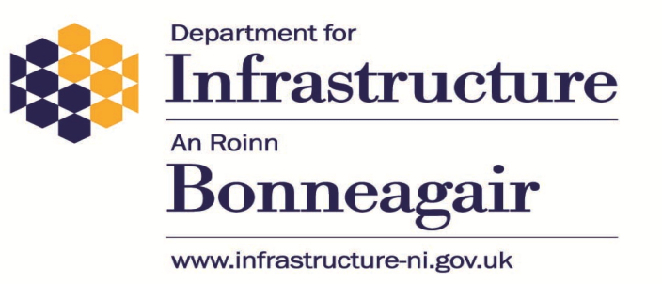

DfI Driver, Vehicle, Operator, and Enforcement Statistics
Quarter Two: July to September 2021

Issue Number: 28

Date of Publication: 5 April 2022

Theme: Travel and Transport

Coverage: Northern Ireland

Produced by:

DVA Statistics Branch,
Driver and Vehicle Agency,
Annex 4, Belfast Test Centre,
66 Balmoral Road,
Belfast,
BT12 6QL

Contact: Manny Fitzpatrick

Telephone: 028905 47934

Email: DVA.Statistics@nisra.gov.uk

Website:

https://www.infrastructure-ni.gov.uk/articles/driver-vehicle-agency-activity-statistics

