Title


Key Points
Key Points

Vehicle Testing
In July 2026, the DVA conducted 82,789 vehicle tests, a decrease of 0.6% (494) compared with the same month in 2025 (83,283).
The DVA has conducted 303,880 full vehicle tests and 54,920 retests, totalling 358,800 vehicle tests in this financial year to date. Private cars accounted for 77.2% (234,564) of all full vehicle tests conducted.
The DVA received 86,228 applications for a full vehicle test during July 2026, an increase of 2,556 (3.1%) compared with the same month in 2025 (83,672). Recent trend indicates ongoing high levels of monthly demand for vehicle testing.
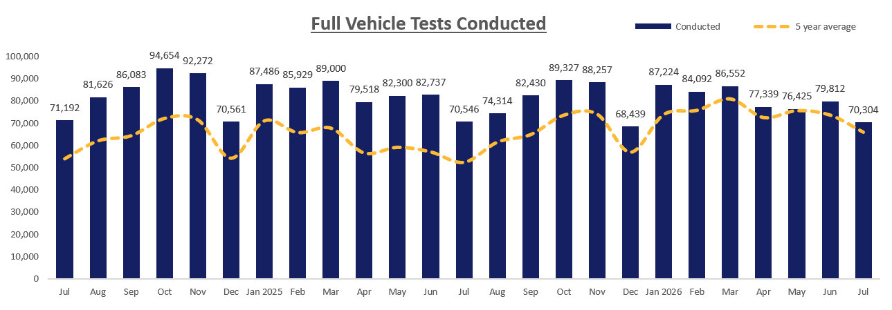

Driver Testing
The DVA conducted 5,823 practical driver tests in July 2026, 2.0% (119) lower than the same month in 2025 (5,942).
From April to July 2026/27, DVA delivered 23,915 driver tests, compared to 23,106 for the same period in 2025/26, an increase of 3.5% (809) so far this year.
In July 2026, DVA received 6,525 applications for a driving test, 208 fewer than in the same month in 2025 (6,733). As with vehicle testing, demand for driver testing remains high.
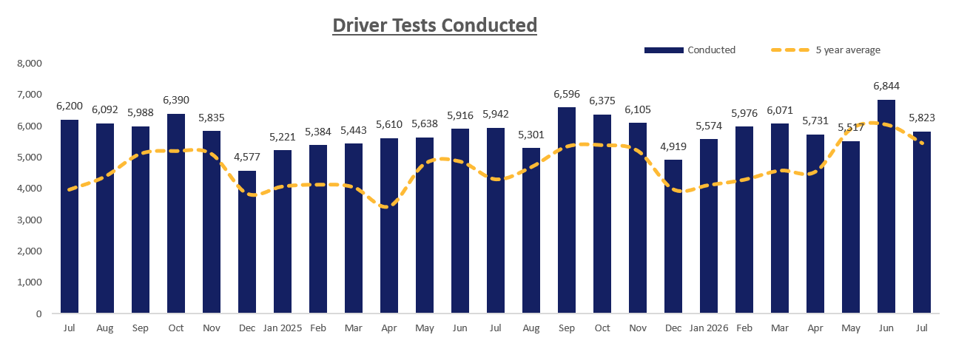

Theory Testing
The DVA conducted 9,435 theory tests in July 2026, an increase of 16.1% (1,311) compared with the same month in 2025 (8,124). This represents the highest on record and perhaps indicates increased theory testing ahead of the implementation of the Graduated Driver Licensing (GDL) on 1st October 2026.
Year to date, April to July 2026/27, the DVA conducted 36,002 theory tests, an increase of 15.4% (4,808) compared with the 31,194 conducted in the same period in 2025/26.
The DVA received 10,981 applications for a driver theory test during July 2026, an increase of 11.3% (1,115) compared with the same month in 2025 (9,866). Year to date, April to July 2026/27, the DVA received 43,207 applications, an increase of 16.1% (5,980) compared with the same period in 2025/26.
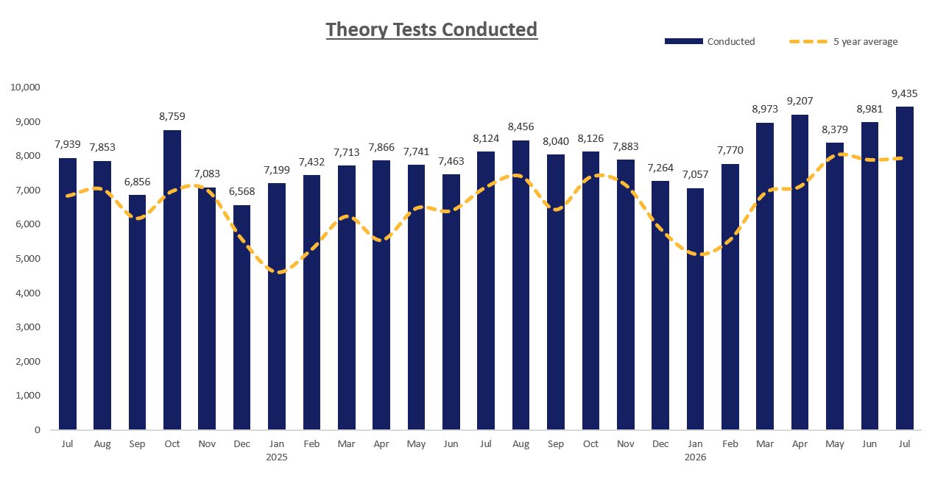

Sep
Oct
Nov
Dec
Jan 2025
Feb
Mar
Apr
May
Jun
Jul
Aug
Sep
Oct
Nov
Dec
Jan 2026
Feb
Mar
Apr
May
Jun
Jul
Aug
Sep
Oct
Nov
Dec
Jan 2027
Feb
Mar
Apr
May
Jun
Jul
Aug
Sep
Oct
Nov
Dec

InfoGraphic
